Send Grid
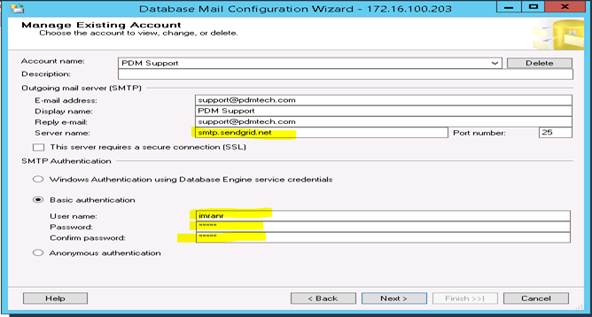
Please find the below steps with screenshot for send grid mail account settings ;

1. Go to "Database Mail" under Management section of the server and select "Configure database Mail" and press Next.

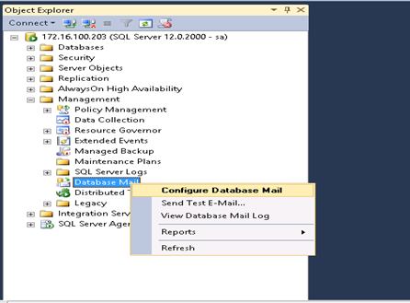

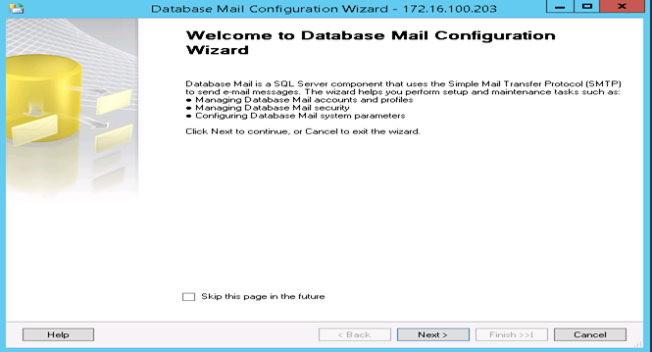

2.Now select "Manage Database Mail account and profiles" as shown in the screenshot below and press Next.
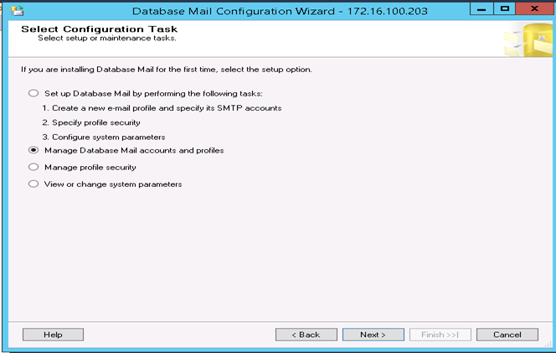

3.Now select "View,change, or delete an existing profile" as given in the screen shot and press Next.
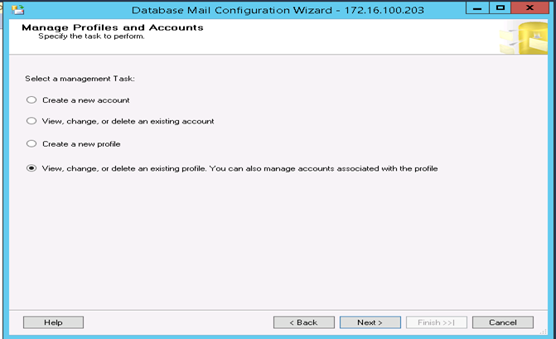

4.Note the "Account name" of the profile you want to change the setting for sendgrid and press Back(e.g in my case its 72Sunny profile and account name is PDM Support).
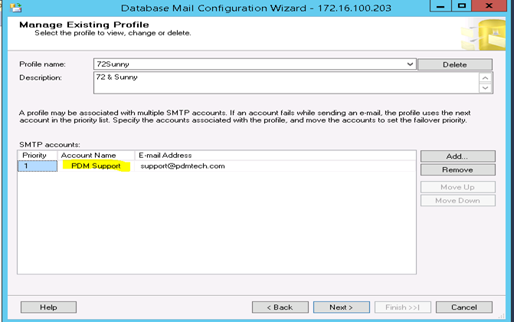

5.Now select "View,change, or delete an existing account" and press Next.
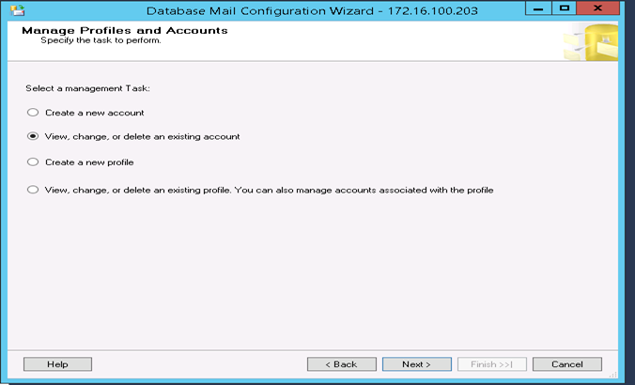

6.Choose your account name from the dropdown and change the server name to "smtp.sendgrid.net" , select the Basic authentication and provide the credentials (Sendgrid current credentials are Username: imranr Password: pdmtech123) and press Next Screen will notify you about your change Press Finish to complete the Sendgrid setting.

SQL XML Data settings
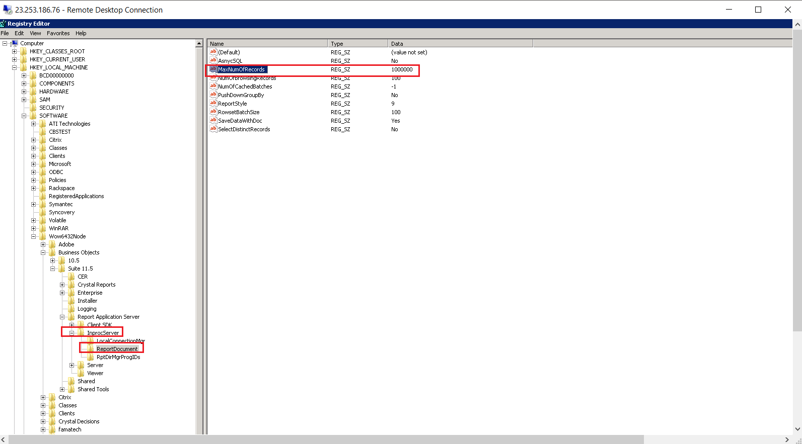
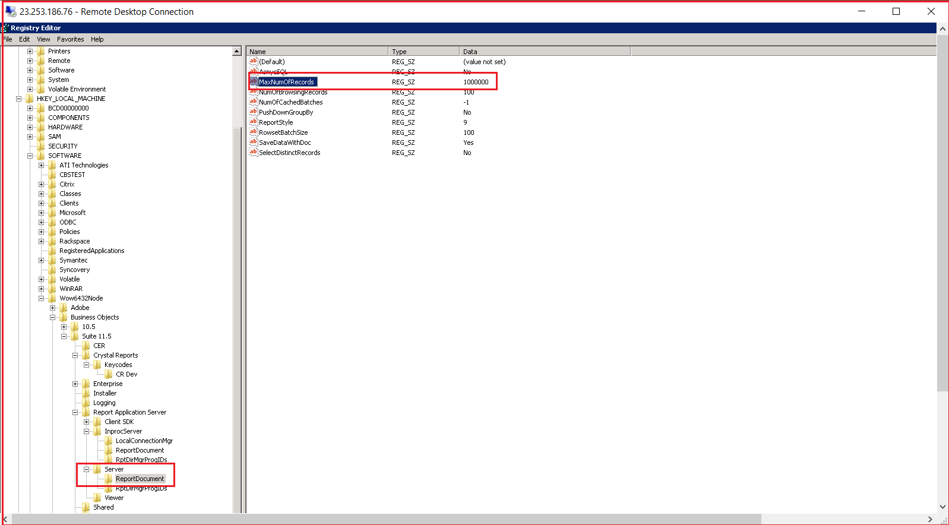
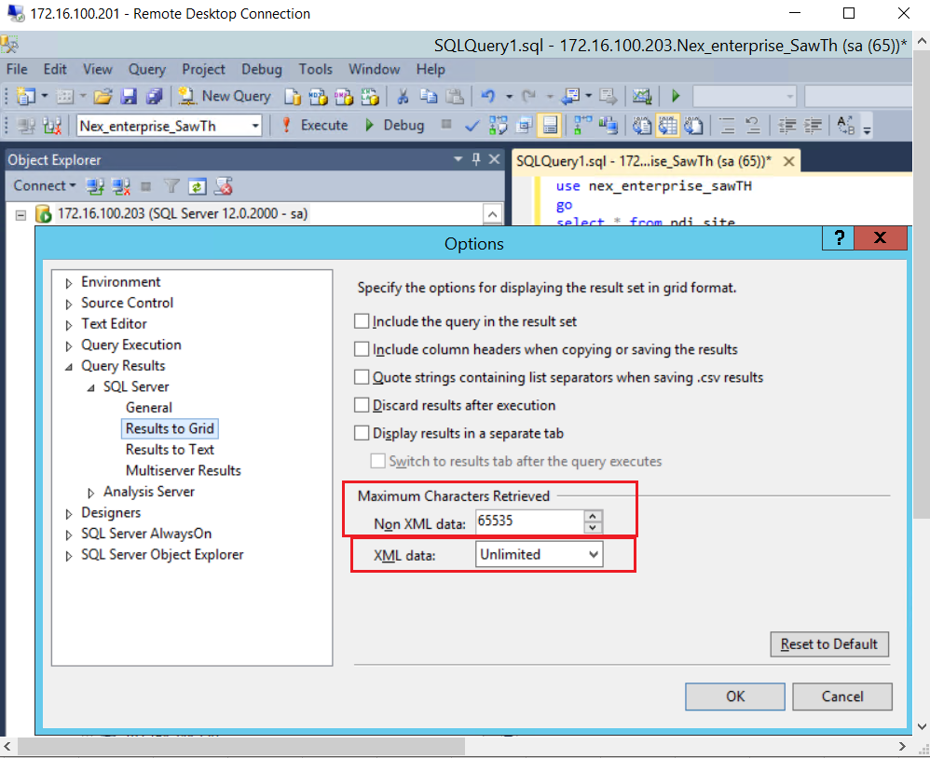
Run the command regedit
And modify the value for the field MaxNumOfRecords from 20000 to 0
This field can be found in
HKEY_LOCAL_MACHINE\Software\Wow6432Node\Business Objects\Suite 11.0\ (on 64 bit OS)\Report Application Server\InProcServer\ReportDocument
HKEY_LOCAL_MACHINE\Software\Wow6432Node\Business Objects\Suite 11.0\ (on 64 bit OS)\Report Application Server\Server\ReportDocument

EAS
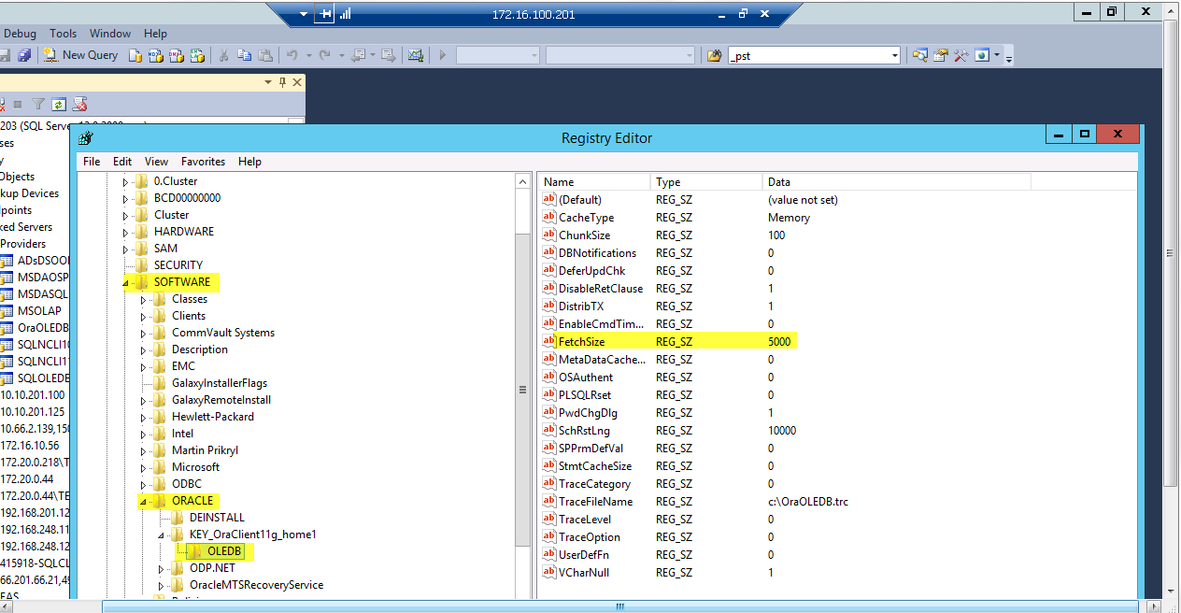
EAS Configuration | Go to the required NODE:

 | 1. Go to \\172.16.100.200\c$\app\oracle\product\12.1.0\client_1\deinstall
 | 2. Execute the “deinstall.bat” file
 | 3. Select option YES (when batch file opened a CMD prompt window)
 | 4. Result: Uninstall done
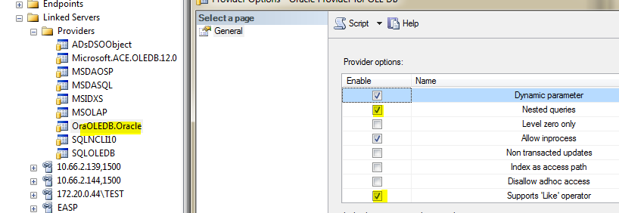
 | 5. Now go to T:\Oracle setup\ODAC112030_x64
 | 6. Execute the “Setup.exe” and then follow the NEXT/Install (Default options remains as it is)
 | 7. Then go to “C:\app\991023-peterp\product\11.2.0\client_1\Network\Admin” and replace the attached file “tnsnames.ora”

